Table 1
PELMO BOOKS - PRICE LIST 2025 TEL: 0671528413 EMAIL: info@pelmobooks.co.za WEBSITE: www.pelmopublishers.co.za
 |  | 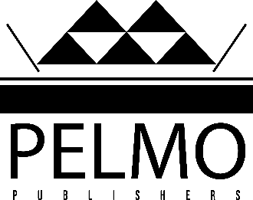
Code | Description | Category | Price
9780620656443 | Little Shepherd Goes To School | English | R138,00
9780620657389 | Blacks Only It's Okay To Be Black | English | R295,00
9780620677066 | Procrastination | English | R180,55
9780620680738 | Vuzu The Frog | English | R138,00
9780620690874 | Impukane | Zulu | R162,15
9780620694070 | Thembi's Big News | English | R132,25
9780620694087 | Thembi's New Friend | English | R132,25
9780620694094 | Thembi And Her Big School Project | English | R132,25
9780620722810 | Born For A Purpose | English | R295,00
9780620729444 | Dreams Don't Stutter | English | R339,83
9780620744300 | The M Mentorship Word | English | R180,55
9780620775656 | Grace: All That He Is, All That I Need | Spiritual | R295,00
9780620785570 | You Touched Women Again | English | R138,00
9780620829847 | Conversation With My Elders | English | R314,53
9780620883177 | Poppy and the incredible quest to defeat the Corona Virus | English | R115,00
9780620890717 | UPopi Nomkhankaso wakhe wokulwa negciwane leCorona | Zulu | R115,00
9780620901444 | Yey! Ngane Yom'Afrika | Zulu | R192,05
9780639801414 | uVuzu Isele | Xhosa | R138,00
9780639801421 | uVuzu Iselesele | Zulu | R138,00
9780639801445 | Umalusi Omncinci Uya Esikolweni | Xhosa | R138,00
9780639801452 | Umelusi Omncane Uya Esikoleni | Zulu | R138,00
9780980276206 | Awu Bengithi Ngiyazi | Ndebele | R110,40
9780980276220 | Uthule Nefihlo Engaka | Ndebele | R138,00
9780980276237 | Angeke Angiphatha Mina | Ndebele | R138,00
9780980276275 | Umntwana Waziwa Ngunina | Ndebele | R138,00
9780980276282 | Zindala Zombili | Ndebele | R138,00
9780986995606 | Ijikakenzo | Zulu | R110,00
9780986995613 | Bahlukumezekile Behlakaniphelana Nje | Zulu | R175,00 | Grade 10 CAPS
9780986995620 | Imihlathi Eyazanayo | Zulu | R110,00
9780986995637 | Siphuphuthekiswa Yintombazane | Zulu | R165,60
9780986995644 | Zip-It Up Mze | English | R110,00
9780986995651 | Is God That Cruel | Spiritual | R222,53
9781201647148 | Mhlolo Bani Lo | Ndebele | R138,00

